Job Details

Job Number & Name: | 35084 LB Bexley
Site Number/Name: | Site 19 - Slade Green Road
Client: | Waterman
Date: | 2023-03-30

Site Plan
Advanced Transport Research |  |  | Job Number & Name: | 35084 LB Bexley
Site 19 - Slade Green Road |  |  | Date: | 2023-03-30

Job Type: | Pedestrian & Vehicle Count
Co-ordinates: | 51°28'17.30"N, 0°11'32.04"E | Postcode: | DA8 2LP |  | Times: | 0730-0930 1430-1630

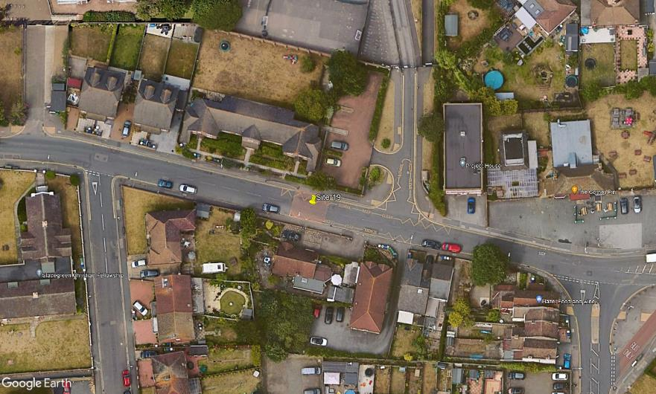
N

Slade Green Road

D
1
2

C
A
3
B

Elm Road

